Table 1

Selected Acquisition Report (SAR)
RCS: DD-A&T(Q&A)823-592

T-AKE
As of September 30, 2011
Defense Acquisition Management Information Retrieval
(DAMIR)

Table 6
Schedule

Milestones | SAR Baseline Prod Est | Current APB Production Objective/Threshold |  | Current Estimate
Contract Award | SEP 2001 | SEP 2001 | MAR 2002 | OCT 2001
Initial Critical Design Review & OIPT | MAR 2002 | MAR 2002 | SEP 2002 | MAY 2002
OT II-A Start | APR 2002 | APR 2002 | OCT 2002 | AUG 2002
OT II-A Complete | MAR 2003 | MAR 2003 | SEP 2003 | JAN 2003
Final Critical Design Review & OIPT | MAR 2003 | MAR 2003 | SEP 2003 | APR 2003
OT II-B Start | APR 2003 | APR 2004 | OCT 2004 | JUN 2004
Lead Ship Delivery | JUL 2005 | MAY 2006 | OCT 2006 | JUN 2006
OT II-B Complete | JUL 2005 | DEC 2004 | JUN 2005 | MAR 2005
OPEVAL Start | APR 2006 | NOV 2006 | MAY 2007 | NOV 2006
OPEVAL Complete | JUN 2006 | JAN 2007 | JUL 2007 | FEB 2007
IOC | OCT 2006 | APR 2007 | OCT 2007 | MAY 2007
Acronyms And Abbreviations
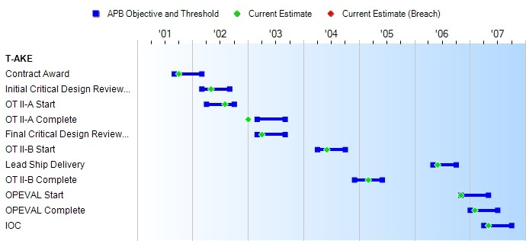
IOC - Initial Operational Capability
OIPT - Overarching Integrated Product Team OPEVAL - Operational Evaluation
OT - Operational Test
Change Explanations
None

Table 19
Unit Cost History
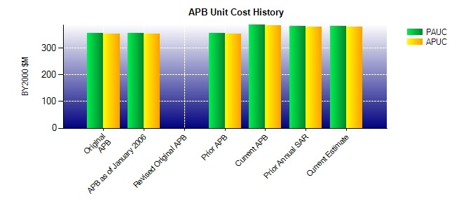
SAR Unit Cost History
Current SAR Baseline to Current Estimate (TY $M)
 |  |  |  |  |  |  | BY2000 $M |  |  |  |  | TY $M
 |  |  | Date |  |  |  | PAUC |  | APUC |  |  | PAUC |  | APUC
Original APB |  |  | SEP 2001 |  |  |  | 355.217 |  | 353.050 |  |  | 407.517 |  | 405.358
APB as of January 2006 |  |  | APR 2003 |  |  |  | 355.217 |  | 353.050 |  |  | 407.517 |  | 405.358
Revised Original APB |  |  | N/A |  |  |  | N/A |  | N/A |  |  | N/A |  | N/A
Prior APB |  |  | JAN 2006 |  |  |  | 355.217 |  | 353.050 |  |  | 407.517 |  | 405.358
Current APB |  |  | SEP 2009 |  |  |  | 387.143 |  | 385.286 |  |  | 492.421 |  | 490.571
Prior Annual SAR |  |  | DEC 2010 |  |  |  | 380.614 |  | 378.757 |  |  | 489.964 |  | 488.114
Current Estimate |  |  | SEP 2011 |  |  |  | 380.550 |  | 378.693 |  |  | 489.871 |  | 488.021
Initial PAUC Prod Est | Changes |  |  |  |  |  |  |  |  |  |  |  | PAUC Current Est
 | Econ | Qty |  | Sch | Eng | Est |  | Oth |  | Spt | Total
407.517 28.707 13.397 3.750 0.000 36.500 0.000 0.000 82.354 489.871
Current SAR Baseline to Current Estimate (TY $M)
Initial APUC Prod Est | Changes |  |  |  |  |  |  |  |  |  |  |  | APUC Current Est
 | Econ | Qty |  | Sch | Eng | Est |  | Oth |  | Spt | Total
405.358 28.707 13.706 3.750 0.000 36.500 0.000 0.000 82.663 488.021

